Script
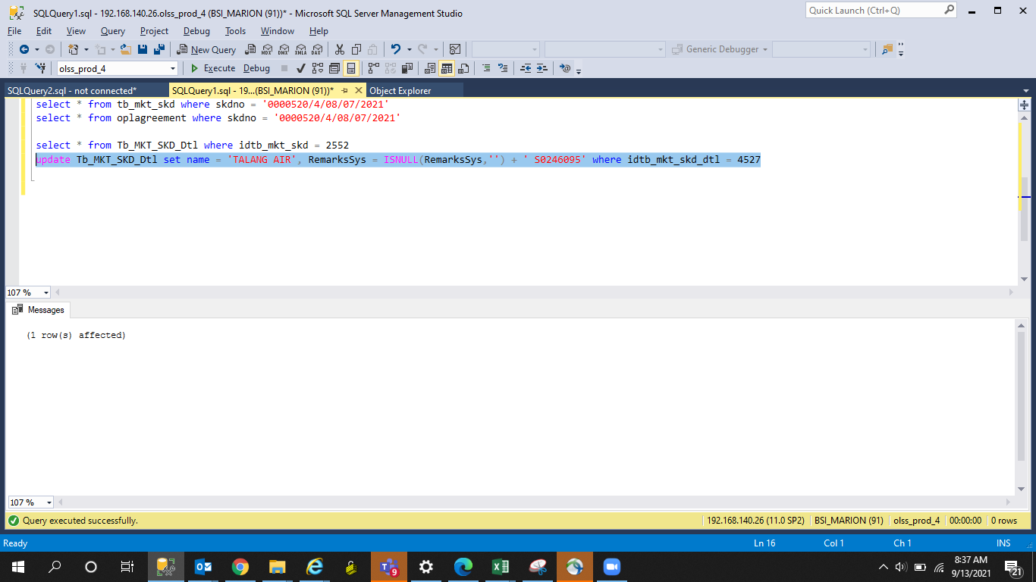
update Tb_MKT_SKD_Dtl set name = 'TALANG AIR', RemarksSys = ISNULL(RemarksSys,'') + ' S0246095' where idtb_mkt_skd_dtl = 4527

Screenshot
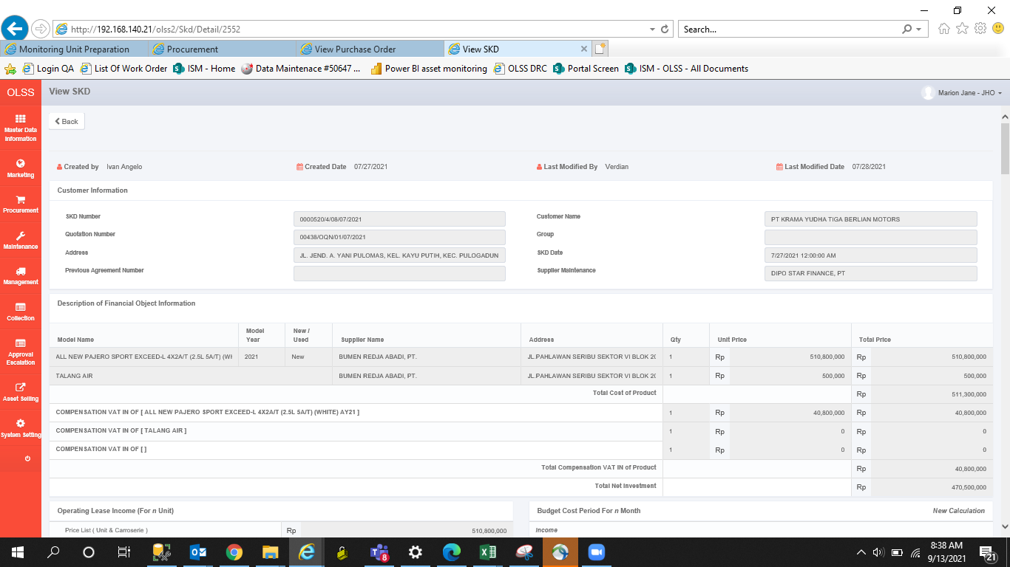
BEFORE
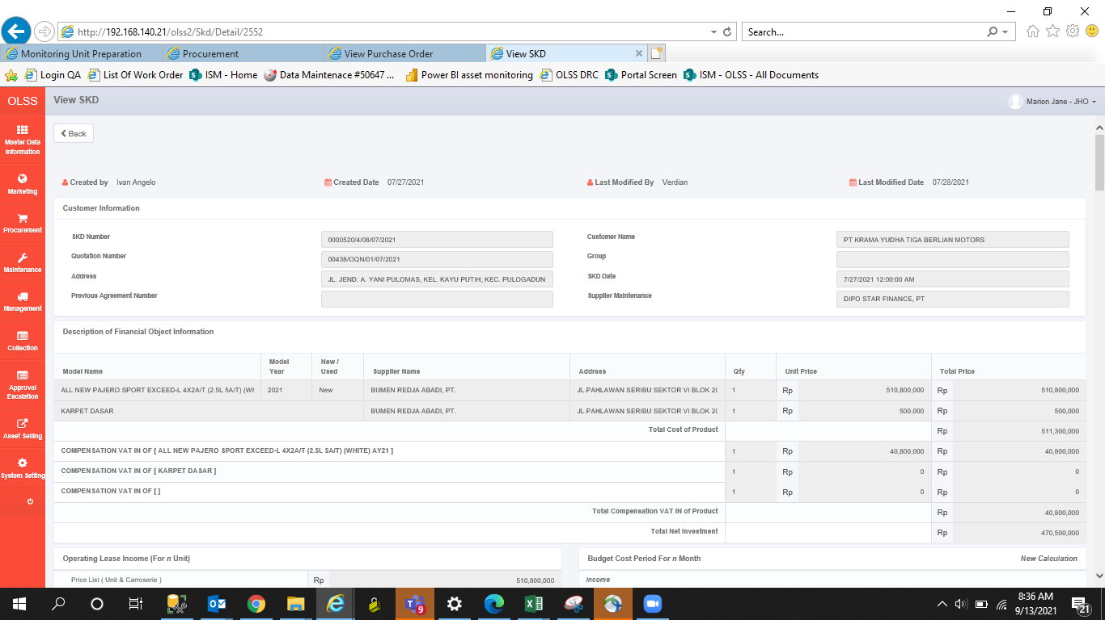

AFTER

AFTER

